Hiearchy View
CLASS: MOTOR GENERATOR
a device consisting of a mechanically coupled electric motor and generator which may be used to control the voltage, frequency, or phase of an electrical supply. |  | 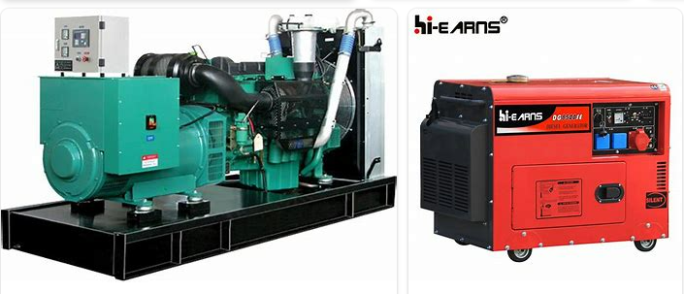
REMOVE | N

PROBLEM_DESC | CAUSE_DESC | REMEDY_DESC
ALARM/SENSOR
BROKEN/DAMAGED
NOISE
OTHER PROBLEM
OVERHEATING
POWER-ELEC
SMELL
STOPPED/SLOWED/POOR OPS
TEMP-CTRL
VIBRATION
Grand Total

